key
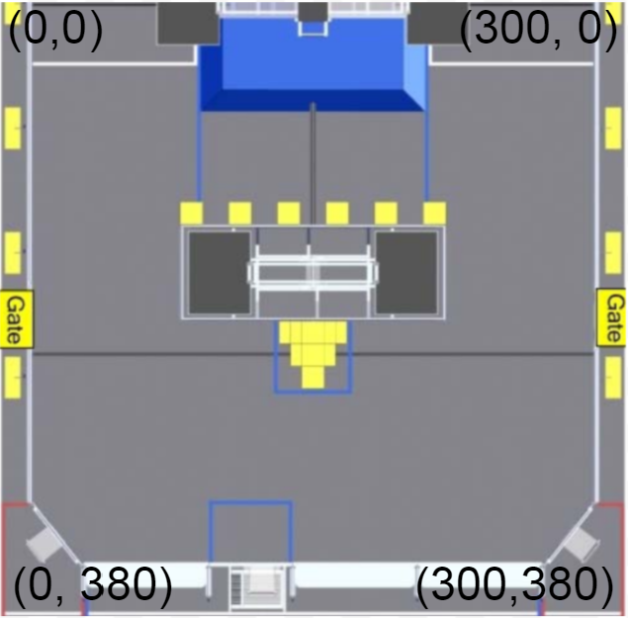

Header Name | Data Type | Description | List Values (If Applicable)
Match Number | number | Match number
Team Number | number | Team that played in the match
Autonomous Path | list of numbers | List of coordinates. Corresponds to auto path that scouters drew. Original field drawing and coordiante system provided below
Auto Cross Line | boolean | 1 if robot crossed auto line | 0, 1
Auto Switch Cubes | number | Amount of cubes robot scored on their own switch in auto
Auto Scale Cubes | number | Amounf of cubes robot scored on their own scale in auto
Own Switch Cubes Teleop | number | Amount of cubes robot scored in teleop on their own switch
Scale Cubes Teleop | number | Amount of cubes robot scored in teleop onto their scale
Opponent Switch Cubes Teleop | number | Amount of cubes robot scored on opponent switch
Exchange Cubes | number | Amount of cubes robot scored in exchange
Single Climb | boolean | 1 if robot climbed by itself | 0, 1
Climb + 1 Buddy | boolean | 1 if robot climbed and carried one other robot | 0, 1
Climb + 2 Buddies | boolean | 1 if robot climbed and carried two other robots | 0, 1
Played Defense | boolean | 1 if robot played defense | 0, 1

